Indices

 | Iraq Stock Exchange
 | Bulletin No (12)
 | ISX Trading Indices of Wednesday 21/1/2026

 | Traded Volume and OTC |  | 371,424,109 |  | Traded Value and OTC |  | 597,686,994 |  | Traders | 712
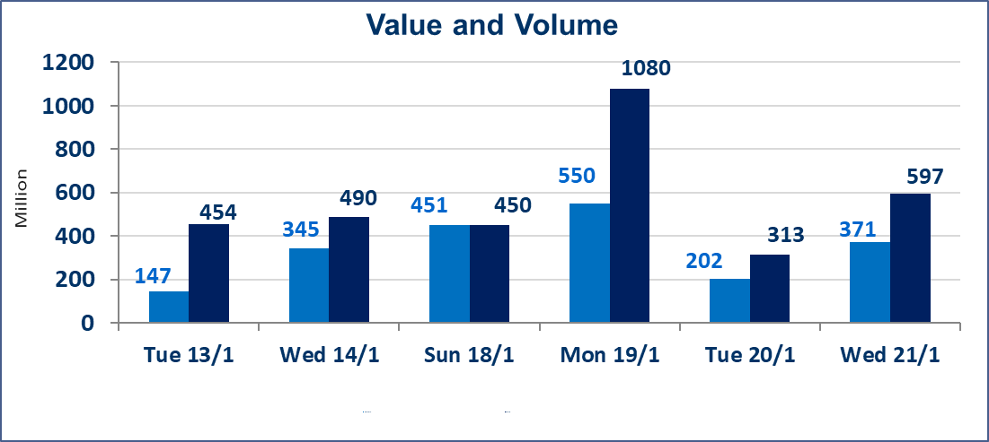
 | ISX Index 60 |  |  | 971.93 | ISX Index 15 |  |  | 1212.84
 | Previous ISX Index60 |  |  | 971.85 | Previous ISX Index15 |  |  | 1206.21
 | Change % |  |  | 0.01 | Change % |  |  | 0.55
 | Change |  |  | 0.08 | Change |  |  | 6.63

 | Listed Companies | 104 | OTC | 14 | Non Traded listed | 47 | OTC | 13
 | Traded Listed Companies | 42 | OTC | 1 | Higher Companies |  |  | 16
 | GAM Companies |  |  | 5 | Lower Companies |  |  | 14
 | Suspended Companies |  |  | 10
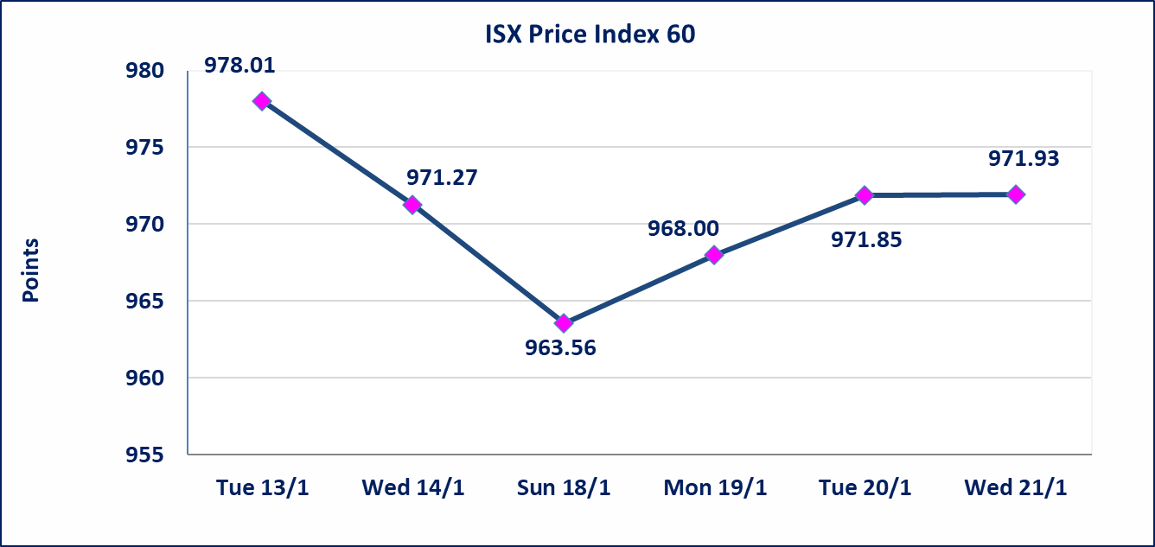
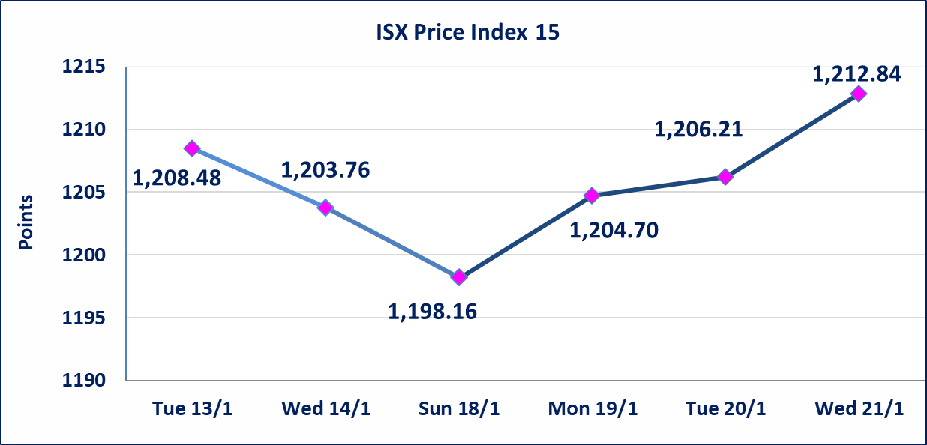

Al-Alwiya P.O . 3607 Mobile: 07711211522 - 07270094594 - 07834000034 E-mail: info-isx@isx-iq.net Web site:www.isx-iq.net

Top 5
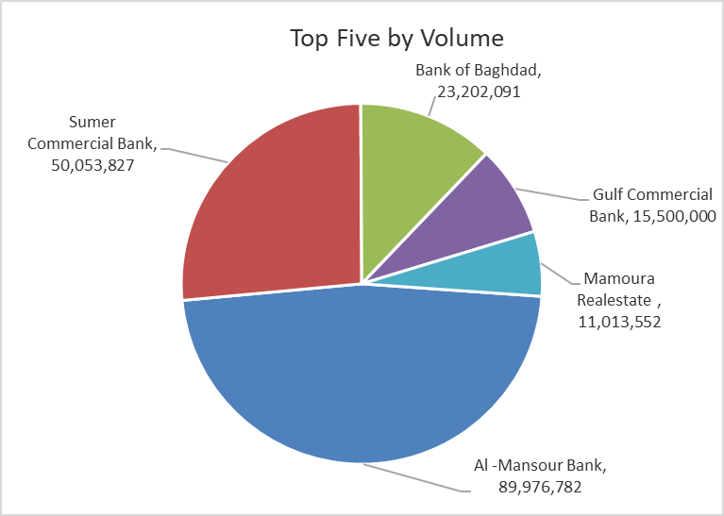
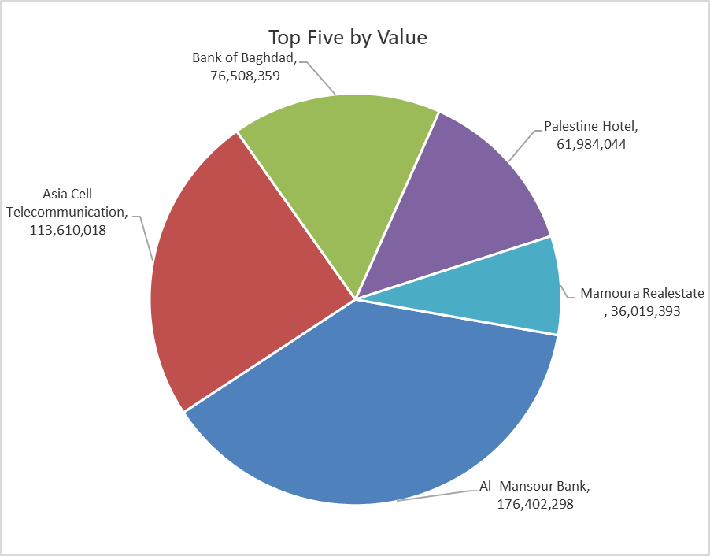

ISX top ganing and losing companies
Wednesday 21/1/2026
 | Gainers |  |  |  | Losers
 | Company Name | Closing Price | Change (%) | Traded Volume | Company Name | Closing Price | Change (%) | Traded Volume
 | Al-Hamraa for Insurance | 1.560 | 20.00 | 1,870,558 | International Islamic Bank | 0.230 | -17.86 | 390,548
 | Iraqi Carton Manufactories | 2.500 | 13.64 | 362,983 | Tourist Village of Mosul dam | 13.520 | -14.97 | 40,000
 | Babil Animal & Vegetable Production | 7.690 | 9.86 | 354,681 | Union Bank of Iraq | 0.170 | -10.53 | 200
 | Economy Bank | 0.230 | 4.55 | 7,957,550 | Al-Kindi of Veterinary Vaccines | 2.350 | -4.08 | 1,583,566
 | Kharkh Tour Amuzement City | 4.140 | 3.50 | 649,485 | Palestine Hotel | 21.000 | -2.64 | 2,948,397
 | The most active companies in term of traded volume and value

 | Traded Volume |  |  |  | Traded Value
 | Company Name | Closing Price | Change (%) | Traded Volume | Company Name | Closing Price | Change (%) | Traded Value
 | Al -Mansour Bank | 1.970 | 0.51 | 89,976,782 | Al -Mansour Bank | 1.970 | 0.51 | 176,402,298
 | Sumer Commercial Bank | 0.130 | 0.00 | 50,053,827 | Asia Cell Telecommunication | 13.950 | 1.01 | 113,610,018
 | Bank of Baghdad | 3.300 | -1.49 | 23,202,091 | Bank of Baghdad | 3.300 | -1.49 | 76,508,359
 | Gulf Commercial Bank | 0.280 | 0.00 | 15,500,000 | Palestine Hotel | 21.000 | -2.64 | 61,984,044
 | Mamoura Realestate | 3.310 | 3.44 | 11,013,552 | Mamoura Realestate | 3.310 | 3.44 | 36,019,393

Non Iraqis

Iraq Stock Exchange
Non Iraqis' Bulletin Wednesday Jan 21 2026
Regular Market

Non Iraqi Trading of Regular Market (Buy)
Company Names | Code | No.of trades | Traded Shares | Trading Volume
Services Sector
Kharkh Tour Amuzement City | SKTA | 1 | 100,000 | 400,000
Total Services sector |  | 1 | 100,000 | 400,000
Grand Total |  | 1 | 100,000 | 400,000

Non Iraqi Trading of Regular Market (Sell)
Company Names | Code | No.of trades | Traded Shares | Trading Volume
Banks Sector
Al-Mansour Bank | BMNS | 3 | 5,000,000 | 9,850,000
Total Bank sector |  | 3 | 5,000,000 | 9,850,000
Industry Sector
Al-Mansour Pharmaceuticals Industries | IMAP | 4 | 68,346 | 148,994
Total Industry sector |  | 4 | 68,346 | 148,994
Grand Total |  | 7 | 5,068,346 | 9,998,994

